Sheet1
Chebyshev | k*σ | range |  | Empirical | k*σ | range
 | 2 | 75 |  | Normal Dis | 1 | 68.26
 | 3 | 88.888888889 |  |  | 2 | 95.44
 | 4 | 93.75 |  |  | 3 | 99.73
 | 3.1622776602 | 90 |  |  |  |  |  | 4
 |  |  |  |  |  |  |  | 5
CV | s= | 3 | x_= | 4 |  |  |  | 6
 | CV= | 0.75 |  |  |  |  |  | 7
 |  |  |  |  |  |  |  | 8
MAD | 1.625 |  |  |  |  |  |  | 1
 |  |  |  |  |  |  |  | 7
Bayes |  |  |  |  |  |  |  | 5
假阳性 | 0.06 | 真阴性 | 0.94 |  | P(A) | 0.29585798817
假阴性 | 0.12 | 真阳性 | 0.88 |  | P(B) | 0.66863905325 |  |  | 0.29203539823
阳 | 0.05 |  |  |  | P(AandB) | 0.19526627219 |  | 0.1978222051 | 0.66
阴 | 0.95 |  |  |  | P(AUB) | 0.76923076923
真阳|阳 | 0.43564356436 |  |  |  | P(A|B) | 0.29203539823
假阳|阳 | 0.56435643564 |  |  |  | P(B|A) | 0.66
真阴|阴 | 0.99332591769
假阴|阴 | 0.0066740823137
 | 2

Combinations | 11 | 6 | 462 |  | 332640

Expected | 100 | 0.1 | 10
DPD | 150 | 0.2 | 30
 | 200 | 0.3 | 60
 | 250 | 0.3 | 75
 | 300 | 0.1 | 30
 | 0 | 0 | 0
 | 0 | 0 | 0
 |  | 1
 |  | expect | 205
 |  | std | 56.789083458

Uniform | a | 4
DPD | b | 93
 | PDF | X= | 8 | 0.011111111111 | 补 | 0.98888888889
 | CDF | X<= | 9 | 0.066666666667 | 补 | 0.93333333333
 | Mean | 48.5
 | STD | 25.979158313

Binomial | n | 16
DPD | π | 0.125
 | PDF | X= | 14 | 2.0889956431E-11 | 补 | 0.99999999998
 | CDF | X<= | 1 | 0.3879347145 | 补 | 0.6120652855
 | Mean | 2
 | STD | 1.3228756555
 | Bernouli | π= | 0.4 | E(X) | 0.4 | Var(X) | 0.24

Poisson | λ | 13
DPD | PDF | X= | 9 | 0.066053962134 | 补 | 0.93394603787
 | CDF | X<= | 9 | 0.16581187662 | 补 | 0.83418812338
 | Mean | 13
 | STD | 3.6055512755
 | E(X) | 13
 | Var(X) | 13

Hypergeo | N | 480
DPD | n | 10
 | s | 96 | π= | 0.2
 | PDF | X= | 2 | 0.30517971892 | 补 | 0.69482028108
 | CDF | X<= | 2 | 0.67844485467 | 补 | 0.32155514533
 | Mean | 2
 | STD | 1.2529714161

Geometric | π | 0.6
DPD | PDF | X= | 4 | 0.0384 | 补 | 0.9616
 | CDF | X<= | 3 | 0.936 | 补 | 0.064
 | Mean | 1.6666666667
 | STD | 1.0540925534
CH 7
Uniform | a | 20
CPD | b | 45
 | PDF | X= | 5 | 0.04 | 补 | 0.96 | A | 0.4642857
 | CDF | X<= | 26 | 0.24 | X> | 0.76 | B | 0.2142857
 | Mean | 32.5 |  |  |  |  | A-B | 0.25
 | STD | 7.2168783649

Normal | μ | 25
CPD | σ | 4
 | PDF | X= | 60 | 2.3632759705E-18 | 补 | 1 | A | 0.0668072
 | CDF | X<= | 32 | 0.95994084314 | X> | 0.040059156864 | B | 0.00008842
 | Mean | 25 |  |  |  |  | A-B | 0.06671878
 | STD | 4

Standard Normal | x | 62 |  |  |  | enable(1/0)
CPD | μ | 60 |  | z | 0.25 | 0
 | σ | 8 |  | z' | 1.52
 | Mean | 0
 | STD | 1
 | PDF | z= | 0.12566463679 | 补 | 0.87433536321 |  | A | 0.9988558
 | CDF | .-3<Z<X | 0.93574451218 | Z>X | 0.064255487819 |  | B | 0.9798178
 | CDF-0.5 | 0<Z<X | 0.43574451218 | Z>X,Z<-X | 0.064255487819 |  | A-B | 0.019038
 | 2*(CDF-0.5) | .-X<Z<X | 0.87148902436

Find z | P= | 0.1
 | REF | 1.645 | 1.282 | 0.675
 | Z= | -1.2815515655

Inverse Normal | area | 0.4
 | μ | 25
 | σ | 4
 | X= | 23.986611587
 | S.X= | -0.25334710314

N aprxmt to B | x(+0.5) | 13.5 | μ= | 8.11 | normcheck= | BINOM
 | n | 811 | σ= | 2.8335313656
 | π | 0.01 | z= | 1.9022199879
 | CDF | Z<x | 0.9714287996 | Z>x | 0.028571200398

N aprmxt to P | λ | 42 | μ= | 42 | ok? | 1
 | x | 50.5 | σ= | 6.4807406984
 |  |  | z= | 1.3115784747
 | CDF | Z<x | 0.90516880012 | Z>x | 0.094831199882

Exponential | λ | 3.6
 | Mean= | 0.27777777778
 | PDF | X= | 0.48333333333 | 0.63187344222 | 补 | 0.36812655778
 | CDF | X<= | 0.5 | 0.83470111178 | 补 | 0.16529888822

Inverse Exponen | solve x for λ
 | λ | 0.4 | <1
 | P(X<x) | 0.48333333333
 | x= | 1.6508933943 | MTBE= | 2.5
 | solve λ for x
 | x | 3.6 | >1
 | P(X<x) | 0.5
 | λ= | 0.19254088349 | MTBE= | 5.1937021472

STD error of mean | σ | 16
 | n | 256
 | σ_x_= | 1

CI for μ known σ | n | 5 | z_{α/2}= | -0.6744897502
 | x_bar | 177 | z_{α/2}*σ/sqrt(n) | 16.695768264
 | σ | 55.3498 | CI_RANGE1 | 160.30423174 |  | -2.0930240544
 | α | 0.5 | CI_RANGE2 | 193.69576826

CI for μ unknown σ | n | 5 | d.f.= | 4
 | x_bar | 177 | t_{α/2}= | -2.7764451052
 | s | 61.88 | t_{α/2}*s/sqrt(n) | 76.834168209
 | α | 0.05 | CI_RANGE1 | 100.16583179
 |  |  | CI_RANGE2 | 253.83416821

CI for μ known π | x | 12 | σ_p= | 0.099919967974 | safe? | 1
 | n | 25 | z_{α/2}= | -1.644853627 | ROTsafe? | 1
 | α | 0.1 | z_{α/2}*σ/sqrt(n) | -0.16435372173
 |  |  | CI_RANGE1 | 0.64435372173
 | p= | 0.48 | CI_RANGE2 | 0.31564627827

CI for μ known s | N | 500 | FPCF | 0.93902264459
FINITE | n | 60 | z_{α/2}= | -1.644853627
 | x_bar | 4.2 | z_{α/2}*σ/sqrt(n) | 0.1486447831
 | s | 0.7 | CI_RANGE1 | 4.0604191827
 | α | 0.1 | CI_RANGE2 | 4.3395808173

CI for μ unknown σ | N | 500 | FPCF | 0.93902264459
FINITE | n | 60 | d.f.= | 59
 | x_bar | 4.2 | t_{α/2}= | -1.6710930321
 | s | 0.7 | t_{α/2}*s/sqrt(n) | 0.15101602794
 | α | 0.1 | CI_RANGE1 | 4.0581925301
 |  |  | CI_RANGE2 | 4.3418074699

CI for μ known π | N | 500 | FPCF | 0.93902264459
FINITE | n | 60 | σ_p= | 0.060858061945 | safe? | 1
 | x_bar | 40 | z_{α/2}= | -1.644853627
 | α | 0.1 | z_{α/2}*σ/sqrt(n) | -0.10010260392
 | p= | 0.66666666667 | CI_RANGE1 | 0.76066527853
 |  |  | CI_RANGE2 | 0.5726680548

Sample Size Cal. | E | 75 | z_{α/2} | -2.5758293035
MEAN | α | 0.01 | n= | 106.15834562
 | σ | 300

Sample Size Cal. | E | 0.02 | z_{α/2} | -1.644853627
PROPORTION | α | 0.1 | n= | 1690.9646588
 | π | 0.5
 | π_recom | 0.5

adjust_n | n | 4 | n'= | 3.8888888889
 | N | 105

CH9
Left Tail | μ0 | 39 | σ_x_bar= | 3 |  |  | sample
OSH | σ | 12 | critical= | -2.326347874 |  |  | critical= | -2.602480295
 | n | 16 | z_calc= | -4.3333333333 | ACCEPT: | H1 | t_calc= | -4.3333333333 | ACCEPT: | H1
 | x_bar | 26 | p_value= | 7.3434238369E-06 | ACCEPT: | H1 | p_value= | 0.00029542889313 | ACCEPT: | H1
 | α | 0.01

Right Tail | μ0 | 360 | σ_x_bar= | 15.556349186 |  |  | sample
OSH_P | σ | 66 | critical= | 2.326347874 |  |  | critical= | -2.5669339837
 | n | 18 | z_calc= | 2.5070149515 | ACCEPT: | H1 | t_calc= | 2.5070149515 | ACCEPT: | H1
 | x_bar | 399 | p_value= | 0.0060877780678 | ACCEPT: | H1 | p_value= | 0.011310282439 | ACCEPT: | H1
 | α | 0.01

Two Tails | μ0 | 216 | σ_x_bar= | 0.0032526911935 |  |  | sample
OSH_P | σ | 0.023 | critical= | -2.326347874 |  |  | critical= | 2.4048917595
 | n | 50 | z_calc= | 2.1520641167 | ACCEPT: | H0 | t_calc= | 2.1520641167 | ACCEPT: | H0
 | x_bar | 216.007 | p_value/2= | 0.015696152426 | ACCEPT: | H0 | p_value= | 0.036345856413 | ACCEPT: | H0
 | α | 0.02 | P_value= | 0.031392304851

Proportion | π0 | 0.3 | p= | 0.45714285714
OSH | x | 16 | σ_p= | 0.077459666924
 | n | 35 | critical= | -1.644853627 |  | LT | RT | TT
 | α | 0.05 | z_calc= | 2.0287055623 | ACCEPT: | H0 | H1 | H1
 |  |  | p_value= |  |  | 0.97875585549 | 0.021244144511 | 1.957511711
 |  |  | normcheck= | OK |  |  |  | 0.042488289021

CH10
compare two means
known var | x1mean | 45.8 | z_calc= | 3.3698995795 |  | LT | RT | 2T
 | σ1 | 1.6 | critical.LT= | -2.326347874 | ACCEPT: | H0 | H1 | H1
 | n1 | 24 | critical.RT= | 2.326347874 |  |  |  | 0.00075195581524
 | x2mean | 43.7 | critical.2T= | -2.5758293035 | p_value= | 0.00037597790762
 | σ2 | 2.6 |  | 2.5758293035 |  | 0.99962402209
 | n2 | 24
 | D0 | 0
 | α | 0.01

unknown var | x1mean | 30.54 | d.f.= | 29
assume equal | s1 | 15.1 | s_p^2= | 176.48068966
 | n1 | 19 | s_p= | 13.284603481 |  | LT | RT | 2T
 | x2mean | 20.98 | t_calc= | 1.9516227532 | ACCEPT: | H0 | H0 | H0
 | s2 | 9.6 | critical.LT= | -2.4620213602 | p_value= | 0.96964953009 | 0.030350469913 | 0.060700939826
 | n2 | 12 | critical.RT= | 2.4620213602
 | D0 | 0 | critical.2T=+- | 2.7563859037
 | α | 0.01

unknown var | x1mean | 4.25 | s1^2/n1= | 0.0026666666667
assume unequal | s1 | 0.2 | s2^2/n2= | 0.006
 | n1 | 15 | d.f.= | 24.391752577 |  | LT | RT | 2T
 | x2mean | 4.6 | t_calc= | -3.7596030887 | ACCEPT: | H1 | H0 | H1
 | s2 | 0.3 | critical.LT= | -2.0638985616 | p_value= | 0.000482518335 | 0.99951748167 | 0.00096503666999
 | n2 | 15 | critical.RT= | 2.0638985616
 | D0 | . | critical.2T=+- | 2.3909493151
 | α | 0.025

CI for two means
equal var | x1mean | 30.54 | d.f.= | 29
CI | s1 | 15.1 | t_a/2= | 2.7563859037
 | n1 | 19 | s_p2= | 176.48068966
 | x2mean | 20.98 | .+/-= | 4.8984876736
 | s2 | 9.6 | interval1 | -3.9421223728
 | n2 | 12 | interval2 | 23.062122373
 | α | 0.01

unequal var | x1mean | 30.54 | s1^2/n1= | 12.000526316
CI | s1 | 15.1 | s2^2/n2= | 7.68
 | n1 | 19 | d.f.= | 28.98531066 | must be int
 | x2mean | 20.98 | t_a/2= | 2.7632624555
 | s2 | 9.6 | .+/-= | 12.258589172
 | n2 | 12 | interval1 | -2.6985891723
 | α | 0.01 | interval2 | 21.818589172

2 proportions | x1 | 51 | p1= | 0.51
CI | n1 | 100 | p2= | 0.475
 | x2 | 19 | z_a/2= | -1.644853627
 | n2 | 40 | interval1= | 0.18871572972 | sequence!
 | α | 0.1 | interval2= | -0.11871572972
 |  |  | normcheck= | OK

2 proportions | x1 | 6 | p1= | 0.25 | normcheck= | NOT OK
 | n1 | 24 | p2= | 0.41666666667
 | x2 | 10 | pc= | 0.33333333333 |  | LT | RT | 2T
 | n2 | 24 | z_calc= | -1.2247448714 | ACCEPT: | H0 | H0 | H0
 | α | 0.05 | critical.LT= | -1.644853627 | p_value= | 0.11033568096 | 0.88966431904 | 1.7793286381
 |  |  | critical.RT= | 1.644853627 |  |  |  | 0.22067136192
 |  | z_a/2= | critical.2T=+- | -1.9599639845
 |  |  | Z^2= | 1.5

compare 2 var | s1 | 696.2 | df1= | 11
 | n1 | 12 | df2= | 8 |  | LT | RT | 2T
 | s2 | 837.62 | F_calc= | 0.69083440921 | ACCEPT: | H0 | H0 | H0
 | n2 | 9 |  |  | p_value= | 0.27861923478 |  | 0.55723846956 | use < 1
 | α | 0.05 |  |  |  | 0.72138076522 |  | 1.4427615304 | use < 1
 |  |  |  |  | critical= | 0.33921413977 | 3.3129506569 | 0.27293924472
 |  |  |  |  |  |  |  | 4.2434127815

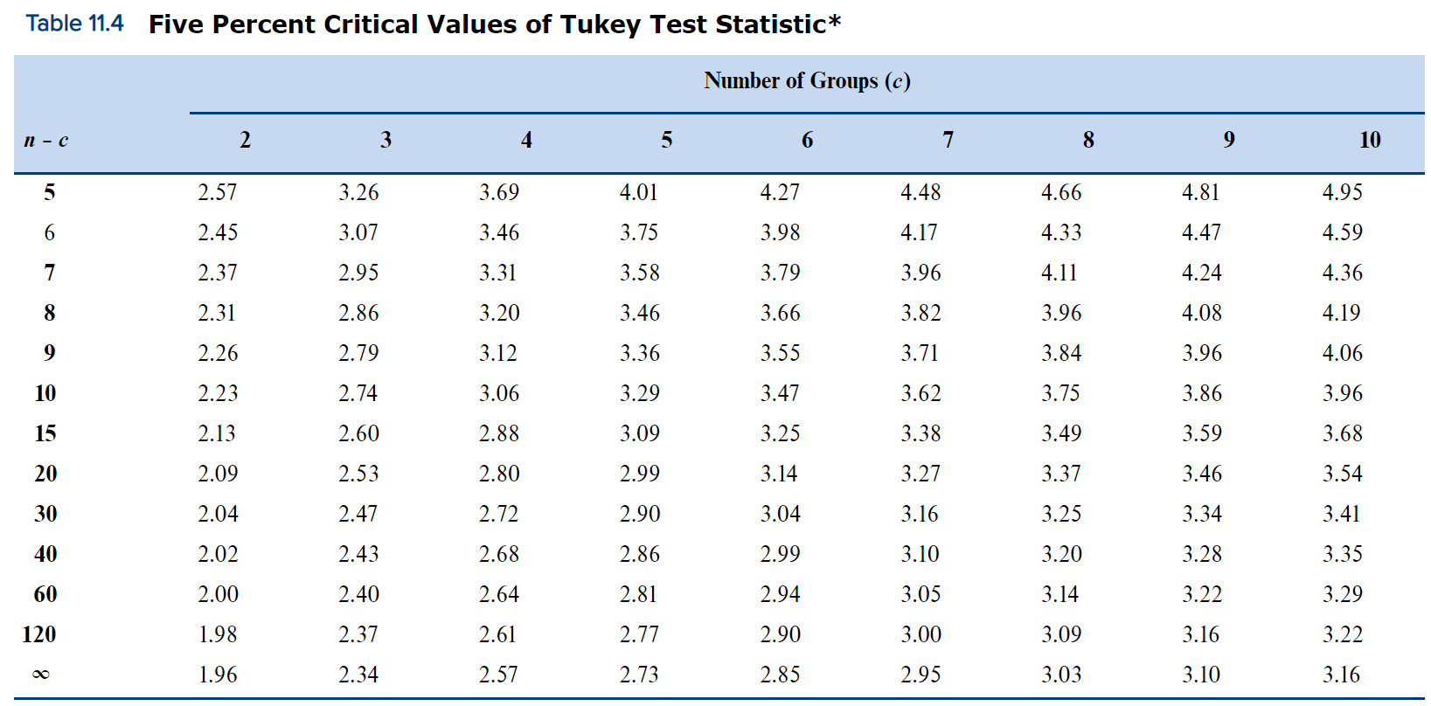
Tukey | y1mean | 28.14 | T_calc12= | 1.940609717
 | y2mean | 33.83 | T_calc13= | 0.32629570467
 | y3mean | 27.25 | T_calc23= | 2.3118276871
 | y4mean | 33.29 | T_calc14= | 1.8281600633
 | n1 | 7 | T_calc24= | 0.18417034221
 | n2 | 6 | T_calc34= | 2.2144112991
 | n3 | 8
 | n4 | 7
 | MSE | 27.775 |  | 3.9
 | d.f.=18 | c=3 | tukey/sqrt(2) | 2.7577164466
 | a=1% | 3.3234018716 |  | 4.91
 |  |  | tukey/sqrt(2) | 3.4718942956

ANOVA | F.INV.RT

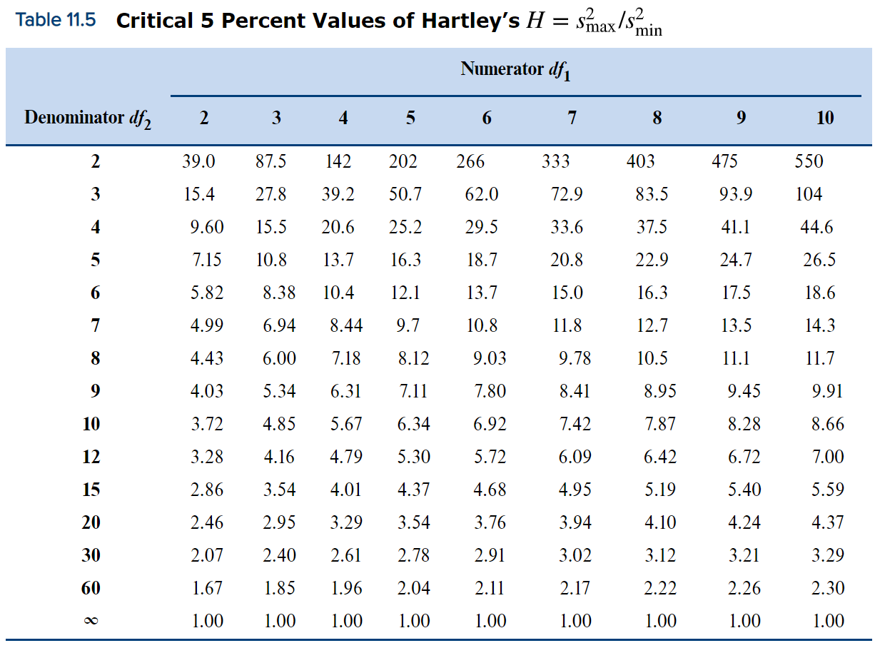
Hartley | s_max | 58 | H_calc= | 13.140625
 | s_min | 16

CH12
 | n | 25 | t= | 3.5968736425 |  | LT | RT | TT
 | r | 0.6 | r_cri= | 0.6 | t_cri= | -1.7138715277 | 1.7138715277 | 2.0686576104
 | α | 0.05 |  |  | ACCEPT: | H0 | H1 | H1
 |  |  |  |  | p_value= | 0.99923917148 | 0.00076082852416 | 0.0015216570483

calculate s_e | MSE | 196 | S_E= | 14
 |  | .
T_CALC USE R | n | 25 | t_calc= | 3.5968736425
 | r | 0.6

R_CRITICAL | n | 23 | t= | -2.0796138447
 | α | 0.05 | r_critical= | -0.41324703053

CONFIDENCE Y | x | 30 | (xk-x_mean)^2 | 100
 | intercept | 55.2857 | t_a/2= | 3.1824463053
 | coefficient | 6.0857 | s_e= | 28.020401496
 | α | 0.05 | CONFIDENCE |  | PREDICTION
 | n | 5 | interval= | 175.709 | interval= | 129.164
 | x_mean | 20 | interval= | 300.005 | interval= | 346.550
 | MSE | 785.1429 | APPROXIMATE
 | Y_i | 237.857 |  | 197.97743278 |  | 148.68357679
 | sum(xk-x_mean)^2 | 350 |  | 277.73656722 |  | 327.03042321

t_calc for test | slope | 0.04789 | t_calc= | 0.67431709378 | df2 | 318
 | s_b1 | 0.07102 |  |  | p_value= | 0.50059963215
 | test for | 0
 |  |  |  |  |  | -2.7238055892
 | intercept | -6.388 | t_calc= | -1.8499855198
 | s_b0 | 3.453
 | test for | 0

CH13
multi corr coefficient | SST | 798 | MSR=
 | SSR | 738 | MSE=
 | SSE | 60 | r= | 0.96167147721
 | k | 2 | F_calc=

R_adj | df1(k) | 15 | MSR= | 75765.533333
 | df2(n-k-1) | 35 | MSE= | 40950.228571
 | SSR | 1136483 | F= | 1.850185847
 | SSE | 1433258 | R^2= | 0.4422558538
 |  |  | R_adj^2= | 0.20322264829

70

season
Calculations for Centered Moving Average and Deseasonalization

Trend from Deseasonalized Data
t | Year | Quarter | Sales | CMA | Sales/CMA | Seas Index | Sales Deseasonalized
1 | 2012 | 1 | 259 |  |  | 1.252 | 206.9
2 | 2012 | 2 | 236 |  |  | 1.021 | 231.1
3 | 2012 | 3 | 164 | 226.125 | 0.725 | 0.740 | 221.7
4 | 2012 | 4 | 222 | 240.000 | 0.925 | 0.987 | 224.9
5 | 2013 | 1 | 306 | 251.125 | 1.219 | 1.252 | 244.4
6 | 2013 | 2 | 300 | 260.875 | 1.150 | 1.021 | 293.8
7 | 2013 | 3 | 189 | 276.625 | 0.683 | 0.740 | 255.5
8 | 2013 | 4 | 275 | 281.000 | 0.979 | 0.987 | 278.6
9 | 2014 | 1 | 379 | 282.875 | 1.340 | 1.252 | 302.7
10 | 2014 | 2 | 262 | 292.125 | 0.897 | 1.021 | 256.6
11 | 2014 | 3 | 242 | 293.500 | 0.825 | 0.740 | 327.2
12 | 2014 | 4 | 296 | 306.125 | 0.967 | 0.987 | 299.8
13 | 2015 | 1 | 369 | 321.625 | 1.147 | 1.252 | 294.7
14 | 2015 | 2 | 373 | 333.000 | 1.120 | 1.021 | 365.3
15 | 2015 | 3 | 255 | 361.000 | 0.706 | 0.740 | 344.7
16 | 2015 | 4 | 374 | 379.250 | 0.986 | 0.987 | 378.8
17 | 2016 | 1 | 515 | 389.750 | 1.321 | 1.252 | 411.3
18 | 2016 | 2 | 373 | 418.375 | 0.892 | 1.021 | 365.3
19 | 2016 | 3 | 339 | 450.375 | 0.753 | 0.740 | 458.3
20 | 2016 | 4 | 519 | 484.500 | 1.071 | 0.987 | 525.7
21 | 2017 | 1 | 626 | 512.000 | 1.223 | 1.252 | 500.0
22 | 2017 | 2 | 535 | 515.375 | 1.038 | 1.021 | 524.0
23 | 2017 | 3 | 397 |  |  | 0.740 | 536.7
24 | 2017 | 4 | 488 |  |  | 0.987 | 494.3

 | 2012 | 2013 | 2014 | 2015 | 2016 | 2017 | Mean: | Adjusted:
Qtr 1 |  | 1.219 | 1.340 | 1.147 | 1.321 | 1.223 | 1.250 | 1.252
Qtr 2 |  | 1.150 | 0.897 | 1.120 | 0.892 | 1.038 | 1.019 | 1.021
Qtr 3 | 0.725 | 0.683 | 0.825 | 0.706 | 0.753 |  | 0.738 | 0.740
Qtr 4 | 0.925 | 0.979 | 0.967 | 0.986 | 1.071 |  | 0.986 | 0.987

 |  |  |  |  |  | Sum: | 3.993 | 4.000

Tukey
